Index
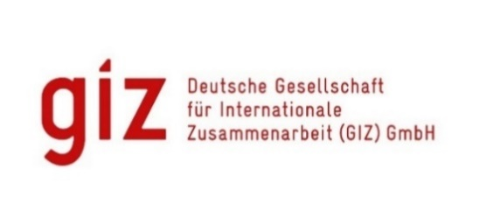
Database GIZ and external Evaluations started and completed

→ | Project Evaluations started
→ | Project Evaluations concluded
→ | Corporate Strategic Evaluations, Cross-Sectional Analyses and Commissioned Evaluations started
→ | Corporate Strategic Evaluations, Cross-Sectional Analyses and Commissioned Evaluations concluded
→ | External Evaluations (DEval, EU, AA, BMWi and BMU) started
→ | GIZ-Reports Evaluation
Information on the Evaluation instruments can be found on the internet |  | here

Explanatory notes

*Evaluation instruments of project evaluations
Central Project Evaluation: Evaluation instrument of the technical cooperation (TC) of GIZ since 2017/2018
Evaluation system: Projects are evaluated according to the OECD/DAC evaluation criteria: relevance, coherence, effectiveness, efficiency, impact and sustainability. The evaluation system provides for a maximum of 100 points per criterion, whereby these are directly added up from the individual evaluations of the sub-dimensions within the criterion. The overall score of the project is based on the average of the points awarded for the individual DAC criteria. The average value for the overall grade is rounded according to the mathematical rounding rules.
Rating scale:
1= | highly successful (92-100 points)
2= | successful (81-91 points)
3= | moderately successful (67-80 points)
4= | moderately unsatisfactory (50-66 points)
5= | unsuccessful (30-49 points)
6= | highly unsuccessful (0-29 points)
All projects with an overall rating of 1-3 are defined as "successful", whereas an overall rating of 4 or worse is associated with a rating as " unsuccessful". If a project achieves a score of 4 in one of the three criteria of effectiveness, impact or sustainability, i.e. less than 67 points, it cannot be considered "successful" overall as defined by the BMZ (so-called knock-out criteria).
Decentralized Project Evaluation: Evaluation instrument of the technical cooperation (TC) of GIZ from 2014 to 2017/2018.
Evaluation system: Projects are evaluated based on the five OECD/DAC criteria relevance, efficiency, effectiveness, impact and sustainability. The overall score of the project is based on the average of the points awarded for each of the DAC criteria.
Rating scale:
1= | very successful (14-16 points)
2= | successful (12-13 points)
3= | rather successful (10-11 points)
4= | rather unsatisfactory (8-9 points)
5= | unsatisfactory (6-7 points)
6= | very unsatisfactory (4-5 points)
Rating scores 1-3 indicate a "successful" project, and rating scores 4-6 indicate an "unsuccessful" project.
Independent Evaluation: Evaluation instrument of the technical cooperation (TC) of GTZ, InWEnt und GIZ from 2006 to 2014.
Evaluation system: Projects were evaluated according to the OECD/DAC evaluation criteria: relevance, effectiveness, efficiency, impact and sustainability.
Rating scale:
1= | very good rating
2= | very good rating, no significant defects
3= | satisfactory rating; positive results predominate
4= | unsatisfactory rating; negative results predominate despite identifiable positive results
5= | clearly inadequate rating: despite several positive results, the negative results clearly predominate
6= | the project/programme is useless, or the situation has deteriorated on balance
Sustainability was assessed according to the following four-point scale:
1= | very good sustainability
2= | good sustainability
3= | satisfactory sustainability
4= | inadequate sustainability
An overall rating of 1-3 indicates that a project or programme was ‘successful’, a rating of 4-6 shows it was ‘unsuccessful’. However, projects/programmes can only be rated as ‘successful’ if the direct results (effectiveness), indirect results (overarching development results, impact) and sustainability are rated at least ‘satisfactory’ (3).

