Flow diagrams
 | Select which results to show: |  |  |  | Jump to:
 | Scenario: | Baseline |  |  | 1. Waste Flow Diagram
 | Material: | Plastics |  |  | 2. Sankey Diagram

1. | Waste Flow Diagram
F8 - Sorted for recovery from formal collection
F9 - Sorted for recovery from informal collection
F10 - Energy from waste

 |  |  |  |  |  |  |  |  |  |  |  |  | 0 |  |  | 0 |  | 0 |  |  | Key
 |  |  |  |  |  |  |  |  |  |  |  |  | #N/A |  |  | #DIV/0! |  | #N/A |  |  |  | Waste management system
 |  |  |  |  |  |  |  |  |  |  |  |  |  |  |  |  |  |  |  |  |  | Environment
All flows are in tonnes / year
 |  |  |  |  |  |  |  |  |  |  |  |  |  |  |  |  |  |  |  |  |  | Applies to either "all MSW" or "plastic only" depending on selection
F5 - Waste collected by collection services diverted from disposal
F2 - Waste captured by collection services
 |  |  |  |  |  |  |  |  |  |  |  |  |  |  |  |  |  |  |  |  |  | Applies to plastic only
 |  |  |  | Generation |  |  |  | Collection |  |  |  |  |  |  |  |  |  |  |  |  | 0 | Low reliability
 |  |  |  |  |  |  |  |  |  | #N/A |  | Preparation for recovery (pre-treatment) |  |  |  |  |  |  |  |  | 0.4 | Medium reliability
 |  |  |  |  |  |  |  |  |  | #N/A |  |  |  |  |  |  |  |  |  |  | 0.8 | High reliability
 |  |  |  |  |  | #N/A |  |  |  |  |  |  |  |  |  |  |  |  |  |  | 0 | Mass balanced
 |  |  |  |  |  | #N/A |  |  |  | 0 |  |  |  |  |  |  |  |  |  |  | 1 | Mass unbalanced
F6 - Materials collected by informal value chain
 |  |  |  |  |  |  |  |  |  | #N/A
 |  |  |  |  |  |  |  |  |  |  |  |  |  |  |  |  |  |  |  |  | Error Checks (applies to all waste)
F3 - Materials collected by informal value chain
 |  |  |  |  |  |  |  |  |  |  |  |  |  |  |  |  |  |  |  |  | #N/A | Inputs = Outputs + Stocks
 |  |  |  |  |  |  |  |  |  |  |  |  |  |  |  |  |  |  |  |  | #N/A | All masses positive
 |  |  |  |  |  |  |  |  |  |  |  |  |  |  |  |  |  |  |  |  | #N/A | All processes balanced
F1 - MSW generation
F7 - Direct to disposal (untreated)
F11 - Waste for disposal
 |  |  |  |  |  | #N/A |  |  |  |  |  |  |  |  | Transport |  |  |  | Disposal facilities
 |  |  |  |  |  | #N/A
 |  | 0 |  |  |  |  |  |  |  | #N/A |  |  |  |  |  |  | 0
F14 - Plastic leakage from formal sorting
F15 - Plastic leakage from informal service chain sorting
 |  | #N/A |  |  |  |  |  |  |  | #N/A |  |  |  |  |  |  | #N/A

F12 - Plastic leakage from collection services
F13 - Plastic leakage from informal value-chain collection
F17 - Plastic leakage from disposal facilities
 |  |  |  |  |  |  |  |  |  |  |  |  |  |  |  |  |  |  | #N/A
F16 - Plastic leakage during transportation to disposal

 |  |  |  |  |  |  | #N/A |  | #N/A | #N/A |  |  |  | #N/A |  | #N/A |  | #N/A
 |  |  |  |  |  |  | 0.66 |  | 0.33 | 0.33 |  |  |  | 0.33 |  | 0.66 |  | 1.00
F4 - Uncollected waste
 |  |  |  |  |  |  |  | Unmanaged waste

F18 - Plastic entering water systems (directly or via transportation over land)
F19 - Plastic waste entering storm drains
F21 - Plastic retained on land
F22 - Openly burnt plastic waste
 |  |  |  |  |  | #N/A
 |  |  |  |  |  | #N/A
 |  |  |  |  |  |  |  |  |  |  |  | Stock excluding plastic: |  | NA
 |  |  |  |  |  |  |  |  |  | #N/A |  |  |  |  |  | #N/A |  |  |  | #N/A
 |  |  |  |  |  |  |  |  |  | #N/A |  |  |  |  |  | 0 |  |  |  | 0
 |  |  |  |  |  |  |  |  |  |  | Storm drains |  |  |  | Retained on land*
 |  |  |  |  |  | #N/A
 |  |  |  |  |  |  | #N/A
F20 - Plastic in storm drains to water systems
 |  |  |  |  |  |  |  |  |  |  | #N/A |  |  |  | #N/A
 |  |  |  |  |  |  |  |  |  | #N/A
 |  |  |  |  |  |  |  |  |  | #N/A
 |  |  |  |  |  |  |  | Water systems

 |  |  |  |  |  |  |  | #N/A

 |  |  | * Retained on land includes plastic which is subsequently collected by street sweepings

2. | Sankey Diagram
 |  |  |  | Basic Sankey Diagram (excludes visualisation of leakages) |  |  |  |  |  |  | Complex Sankey Diagram (Includes visualisation of leakages) |  |  |  |  |  | Instructions for plotting the results in a sankey diagram |  |  |  |  |  | Labels for entering into Sankey Diagram template
 |  |  |  | #N/A |  |  |  |  |  |  | #N/A |  |  |  |  |  | 1) Select which scenario and material you would like to plot by changing the drop down menu at the top left of this page. |  |  |  |  |  | Sankey diagram | Flow name | Mass (T/y) | % of generation
 |  |  |  |  |  |  |  |  |  |  |  |  |  |  |  |  |  |  |  |  |  |  | Basic | Generation | 0 | 100%
 |  |  |  |  |  |  |  |  |  |  |  |  |  |  |  |  | 2) Decide which sankeydiagram you wish to plot (see examples below). |  |  |  |  |  |  | Formal collection | #N/A | #N/A
 |  |  |  |  |  |  |  |  |  |  |  |  |  |  |  |  |  |  |  |  |  |  |  | Informal collection | 0 | #DIV/0!
 |  |  |  |  |  |  |  |  |  |  |  |  |  |  |  |  | 3) Select the grey box with code and copy (ctrl + C) |  |  |  |  |  |  | Unmanaged | #N/A | #N/A
 |  |  |  |  |  |  |  |  |  |  |  |  |  |  |  |  | 4) Go to: | http://SankeyMatic.com/build |  |  |  |  |  | Landfill / dumpsite | #N/A | #N/A
 |  |  |  |  |  |  |  |  |  |  |  |  |  |  |  |  | 5) Paste the code into the "Inputs:" box |  |  |  |  |  |  | Energy from waste | 0 | #DIV/0!
 |  |  |  |  |  |  |  |  |  |  |  |  |  |  |  |  | 6) Delete any quotation marks present at the start and end of the copied code |  |  |  |  |  |  | Sorted for recovery | 0 | #DIV/0!
 |  |  |  |  |  |  |  |  |  |  |  |  |  |  |  |  |  |  |  |  |  |  |  | Environment | #N/A | #N/A
 |  |  |  |  |  |  |  |  |  |  |  |  |  |  |  |  |  |  |  |  |  |  |  | Retained on land | #N/A | NA
 |  |  |  |  |  |  |  |  |  |  |  |  |  |  |  |  | Optional formatting to appear as shown in examples |  |  |  |  |  |  | Water | #N/A | NA
 |  |  |  |  |  |  |  |  |  |  |  |  |  |  |  |  | 7) In the "Size, Spacing and Shape" options, change the diagram width to 800px and node width to 5px. |  |  |  |  |  |  | Burnt | #N/A | NA
 |  |  |  |  |  |  |  |  |  |  |  |  |  |  |  |  |  |  |  |  |  |  |  | Drains | #N/A | NA
 |  |  |  |  |  |  |  |  |  |  |  |  |  |  |  |  | 8) In the "Colors" options change the "Node Colors" option to "Use a single color" and select the colour as black. Set the "Flow Opacity" to 1.0 |  |  |  |  |  | Complex | Generation | 0 | NA
 |  |  |  |  |  |  |  |  |  |  |  |  |  |  |  |  |  |  |  |  |  |  |  | Collected by service providers | #N/A | NA
 |  |  |  |  |  |  |  |  |  |  |  |  |  |  |  |  |  |  |  |  |  |  |  | Informal value-chain collection | #N/A | NA
 |  |  |  |  |  |  |  |  |  |  |  |  |  |  |  |  | 9) In the "Labels & Units" options, uncheck the "Show labels" box. You may add these later manually |  |  |  |  |  |  | Uncollected | #N/A | NA
 |  |  |  |  |  |  |  |  |  |  |  |  |  |  |  |  |  |  |  |  |  |  |  | Disposal | 0 | NA
 |  |  |  |  |  |  |  |  |  |  |  |  |  |  |  |  | 10) If necessary drag the nodes of the flows around to a more |  |  |  |  |  |  | Sorting by formal sector | #N/A | NA
 |  |  |  |  |  |  |  |  |  |  |  |  |  |  |  |  | suitable layout. This must be performed last as any subsequent |  |  |  |  |  |  | Sorting by informal sector | #N/A | NA
 |  |  |  |  |  |  |  |  |  |  |  |  |  |  |  |  | changes to the style of the Sankey diagram with revert this step. |  |  |  |  |  |  | Unmanaged | #N/A | NA
 |  |  |  |  |  |  |  |  |  |  |  |  |  |  |  |  | 11) Once satisfied, export the image using the "Export Diagram" option box |  |  |  |  |  |  | Landfill / dumpsite | #N/A | NA
 |  |  |  |  |  |  |  |  |  |  |  |  |  |  |  |  |  |  |  |  |  |  |  | Energy from waste | 0 | NA
 |  |  |  |  |  |  |  |  |  |  |  |  |  |  |  |  | 12) Open the image in a software of choice (i.e. Microsoft Powerpoint) and add the text labels and quantities. |  |  |  |  |  |  | Sorted for recovery | 0 | NA
 |  |  |  |  |  |  |  |  |  |  |  |  |  |  |  |  |  |  |  |  |  |  |  | Environment | #N/A | NA
 |  |  |  |  |  |  |  |  |  |  |  |  |  |  |  |  |  |  |  |  |  |  |  | Retained on land | #N/A | NA
 |  |  |  |  |  |  |  |  |  |  |  |  |  |  |  |  |  |  |  |  |  |  |  | Water | #N/A | NA
 |  |  |  |  |  |  |  |  |  |  |  |  |  |  |  |  |  |  |  |  |  |  |  | Burnt | #N/A | NA
 |  |  |  |  |  |  |  |  |  |  |  |  |  |  |  |  |  |  |  |  |  |  |  | Drains | #N/A | NA
 |  |  |  | Basic Sankey Diagram Example |  |  |  |  |  |  |  |  |  | Complex Sankey Diagram Example
 |  |  |  | (dummy data for plastics): |  |  |  |  |  |  |  |  |  | (dummy data for plastics):
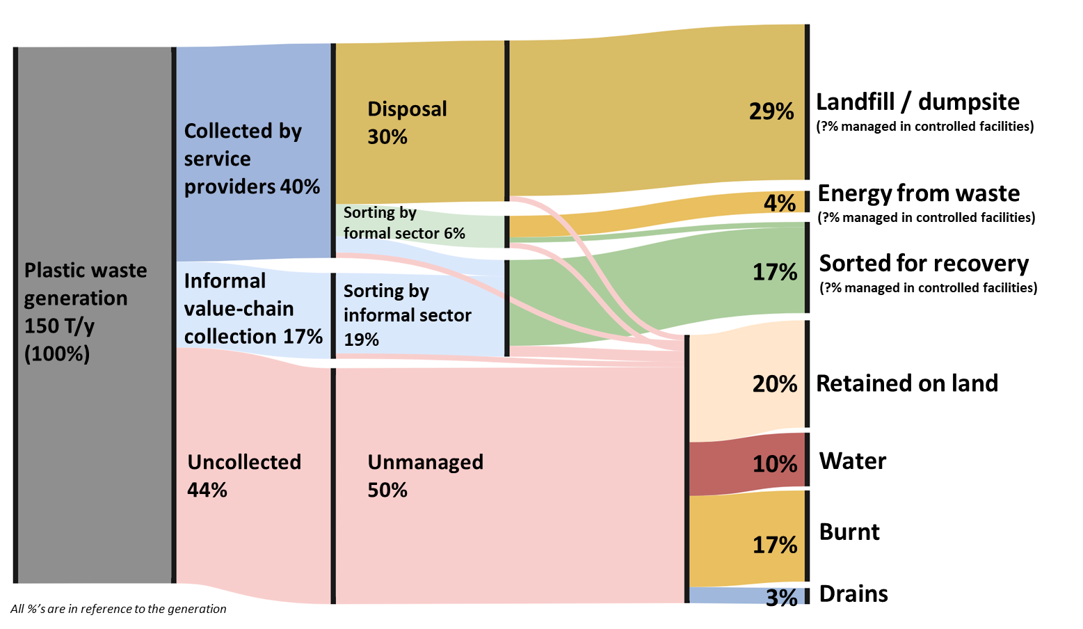

Quick Reference Guide
Plastic leakage from collection services |  |  |  | go back
Leakage of plastic from collection services (F12) refers to the plastic which escapes the waste management system whilst: 1. It is being stored waiting for collection services; 2. It is being loaded on to the collection vehicle; 3. During primary transportation Waste collection is typically the most expensive aspect of MSWM, largely due to the need to regularly collect waste from lots of disperse points across the municipality. This typically begins with residents and businesses having to dispose of their waste in collection containers, from which the collection service can collect from. The more collection containers present, the easier it is for residents to dispose of their waste, yet this also increases time and cost for the collection services. Due to the widespread nature of operations and associated expense, waste collection infrastructure and practices often vary considerably. Without significant investment, much of this infrastructure is likely to suffer from having inadequate levels of waste containment, dilapidation over time, as well as potential misuse by residents. Additionally, the collection of the waste requires the collection services to load the stored waste onto transportation vehicles. Depending on the infrastructure involved this may be a manual task or largely automated. The waste may also have to go through a series of aggregation stages to get it to a sufficient quantity for transportation to treatment and disposal. These first collection and aggregation stages are known as primary transportation, whereas the subsequent transfer to treatment and disposal is secondary transportation. Although this repeated transfer and aggregation of waste may make sense practically, the repeat movement and multiple handling of the waste can also impact the amount of plastic that can escape into the environment. Considering the above, waste collection is often believed to contribute large amounts to unmanaged plastic in the environment. Although these leakage

Decision Tree

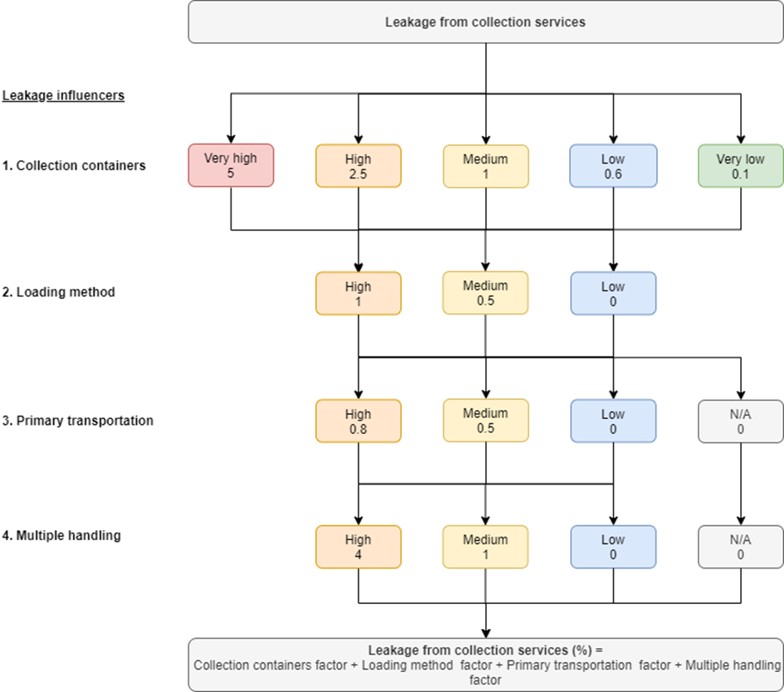

Collection containers
Table 1: Leakage potential levels for influencer "collection containers"
Leakage potential | Description | Leakage factor | go back
Very high | Most of the waste is openly stored outside without any dedicated container (e.g. temporary disposal sites). Frequency of collection is very low compared to what is required. Service is very often delayed beyond the minimum frequency. Most waste is disposed of loose. | 5
High | Containers are available in most but not all districts but they are open to the environment (no lids / gaps in side), shows high levels of damage, and/or are readily accessible by animals. The capacity of the bins may be insufficient for the quantity of waste or difficult to access therefore dumping waste around the collection container is typical. Frequency of collection is low compared to what is required. Service is often delayed beyond the minimum frequency. Small amounts of waste are disposed of in bags. | 2.5
Medium | Containers are available in most but not all districts. The storage containers are open to the environment (no lids / gaps in side), show low levels of damage, and are not easily accessible by animals. The capacity of the bins is generally sufficient for the quantity of waste but some dumping of waste around the collection container may occur. Frequency of collection is slightly below what is required. Service is occasionally delayed beyond the minimum frequency. Waste is occasionally disposed of in bags. | 1
Low | Containers are available in all districts but are typically open to the environment (no lids / gaps in side), show low levels of damage, and are not easily accessible by animals. The capacity of the bins is generally sufficient for the quantity of waste but some dumping of waste around the collection container may occur in small quantities. Frequency of collection is adequate for what is required. Service is very occasionally delayed beyond the minimum frequency. Waste is commonly disposed of in bags. | 0.6
Very low | Containers are available in all districts with them closed to the environment (lids and fully enclosed sides), show low levels of damage, and are not easily accessible by animals. The capacity of the bins is sufficient for the quantity of waste with little to no waste dumped around the collection container. Alternatively, waste is kept indoors prior to formal collection. Frequency of collection is adequate what is required. Service is rarely beyond the minimum frequency. Waste is predominately disposed of in bags. | 0.1

Loading method
Table 2: leakage potential levels for influencer “loading method”
Leakage potential | Description | Leakage factor | go back
High | Most of the waste must be manually loaded to vehicles with shovels / wheelbarrows / heavy machinery. Waste is transferred to the collection vehicle from a fixed collection container / location. | 1
Medium | Most of the waste must be manually loaded to vehicles however the storage containers are generally portable and are transported to the waste collection vehicle with the waste still inside. | 0.5
Low | Most of the waste is loaded using automatic systems. The storage containers are portable and are transported to the waste collection vehicle with waste still inside. | 0

Primary transportation
Table 3: leakage potential levels for influencer “primary transportation”
Leakage potential | Description | Leakage factor | go back
High | The majority of primary transportation vehicles have a small capacity (<5m3) and typically run over capacity. The vehicles container is open to the environment (no cover / gaps in side) allowing waste to easily escape. The vehicle is powered by low-tech options such as human / animal power, or small engines (i.e. motorbikes). Sorting may occur within the transportation vehicle. | 0.8
Medium | The majority of primary transportation vehicle have a mid to large capacity (>5m3) but may occasionally run over capacity. The vehicles container is typically open to the environment (no cover / gaps in side) allowing waste to easily escape. Sorting may occur within the transportation vehicle. | 0.5
Low | All primary transportation vehicles are closed to the environment (i.e. covered), stays within its capacity limit and may contain advanced features such as compaction mechanisms. | 0
N/A* | There is no distinction between primary and secondary collection (i.e. collected waste is immediately transferred to disposal) | 0

Multiple handling
Table 4: leakage potential levels for influencer “multiple handling”
...
Low | Collected waste is adequately transferred between multiple vehicles / people. There are dedicated facilities for the transfer of waste with high levels of waste containment. Waste is transferred either directly into secondary transportation vehicles, or stored in designated compartments. Site management is good. | 0
N/A* | There is no distinction between primary and secondary collection (i.e. collected waste is immediately transferred to disposal) | 0

Plastic leakage from informal value-chain collection |  |  | go back
Plastic leakages during informal value-chain collection (F13) refer to the plastic waste which escapes the waste management system whilst: 1. It is being collected by the value chain of the informal sector; 2. It is being transported by the informal sector. The informal waste sector is active in many areas of the world. While the service-chain of the informal sector is covered by flow F2 (collection services), the flow here refers to the value-chain of the informal sector. This relates to unregistered and unlicensed individuals or cooperatives that collect waste material which has value for them to subsequently sell. Collection can be performed by going door-to-door, or from scavenging from litter, collection points, transfer stations or dumpsites. In some cases, the informal sector value-chain can improve plastic leakages by collecting plastic already in the environment, whilst in other cases, they may interfere with infrastructure causing the release of more plastic (i.e. from overturning bins). Within the WFD, the positive effect is accounted for by subtracting that value off the uncollected waste, thereby reducing leakage. Following the collection, the informal sector workers typically have to transport the material to a location for sorting or sale of the material. This transportation may involve the waste being poorly contained and as such to the leakage of plastic.

Decision tree
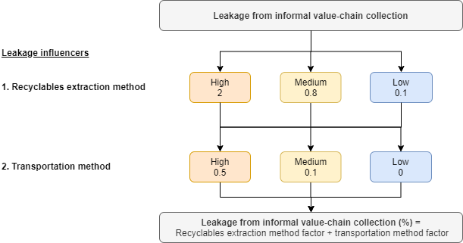

Recyclables extraction method
Table 5: leakage potential levels for influencer “extraction method of recyclables”
Leakage potential | Description | Leakage factor | go back
High | The informal sector is seen to cause significant release of waste into the environment during collection in most of the city. Practises such as overturning bins to get access to valuable material and discarding unwanted items during the collection (bottle tops, labels etc.) is common. | 2
Medium | The informal sector is seen to cause moderate release of waste into the environment during collection. Practises such as overturning bins to get access to valuable material and discarding unwanted items during the collection (bottle tops, labels etc.) occurs occasionally. | 0.8
Low | Most of the plastic materials are separately collected from the source. The informal sector is seen to cause little to no release of waste into the environment during collection. Practises such as overturning bins to get access to valuable material and discarding unwanted items during the collection (bottle tops, labels etc.) are rare. | 0.1

Transportation method
Table 6: leakage potential levels for influencer “transportation method”
...
Plastic leakage from formal sorting |  |  | go back
Leakage of plastic from formal sorting facilities (F14) is related to rejected plastics which might be dumped or mismanaged.

Decision tree

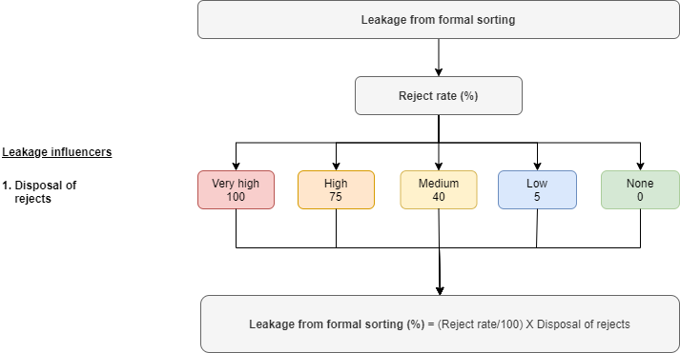

Disposal of rejects
Table 7: leakage potential levels for influencer "disposal of rejects"
Leakage potential | Description. | Leakage factor | go back
Very high | None of the sorting facilities dispose of sorting rejects in the formal collection system. There is a complete absence of formal services. Frequent dumping or open burning of rejects is widespread. | 100
High | A minority of sorting facilities dispose of the sorting rejects to the formal collection system. There are occasional formal containers or drop-off points in the area. Dumping or open burning of rejects is known to occur frequently. | 75
...
Plastic leakage from informal service chain sorting |  |  | go back
Leakage of plastic from informal service-chain sorting (F15) is related to rejected plastics which might be dumped or mismanaged. Informal sector activities are mainly geared towards separating and processing valuable recyclables from the waste streams. Such facilities aim at obtaining a most efficient amount of valuable materials as dictated by the recyclable markets, so sorting and processing can be very selective. They are largely based on manual labour but can have quite sophisticated equipment for sorting, shredding, extruding or other mechanical processes. These facilities might potentially generate significant amounts of residues which can be either returned to the formal system or disposed of in an uncontrolled way.
Note: Plastic leakage from informal service-chain sorting is only applied to the service-chain branch of the informal sector. As such, the value-chain is omitted from this. This is due to the first stage of sorting (as measured by the WFD) for the value-chain is at the point of collection. For example, waste pickers collecting valuable materials are automatically sorting waste as they pick by not collecting low-value items. Any leakages associated with this are instead assigned to the collection phase.

Decision tree

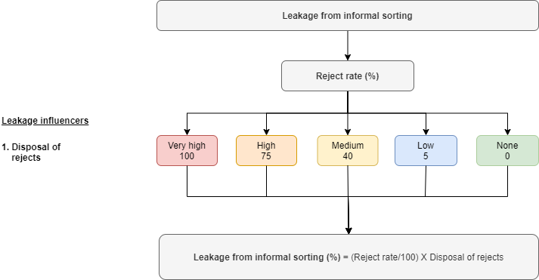

Disposal of rejects
Table 10: leakage potential levels for influencer "disposal of rejects”
Leakage potential | Description. | Leakage factor | go back
Very high | None of the sorting facilities dispose of sorting rejects in the formal collection system. There is a complete absence of formal services. Frequent dumping or open burning of rejects is widespread. | 100

High | A minority of sorting facilities dispose of the sorting rejects to the formal collection system. There are occasional formal containers or drop-off points in the area. Dumping or open burning of rejects is known to occur frequently. | 75
Medium | A significant amount of the sorting rejects are returned to the formal system, however some dumping or open burning of rejects is known to occur in areas. | 40
Low | Most of the sorting rejects are returned to the formal system, containers or depots in the vicinity are regularly serviced and the area is linked to a formal system. Most dumping or open burning of waste is not believed to have originated from the sorting activities. | 5
None | All of the sorting rejects are returned to the formal system, containers or depots in the vicinity are regularly serviced and the area is linked to a formal system. Any dumping or open burning of waste is not believed to have originated from the sorting activities. | 0

Plastic leakage during transportation to disposal |  |  | go back
Plastic leakage during transportation to disposal (F16) refers to the plastic items lost when the material is being transported by the collection vehicles to its final destination. This indicator only considers the amounts of plastic leaked during the action of transportation. Often, collection services are split into primary and secondary collection. If this is the case, this leakage flow only considers the amounts of plastic lost during transport of the secondary collection vehicles. The leakage from primary collection services is covered by F12 as described in sections C1. If collection services are not split, this indicator covers all plastic leakage from transportation. This avoids double counting by setting the transportation factors in C1 to zero. The best way to assess this indicator is to plan an observation campaign in the final destination where the waste is brought (i.e. disposal site, or recovery facilities). Observe the trucks arriving to the sites for a few hours. Evaluate the presence of the reduction measures explained below and assign the appropriate leakage factor.

Decision tree
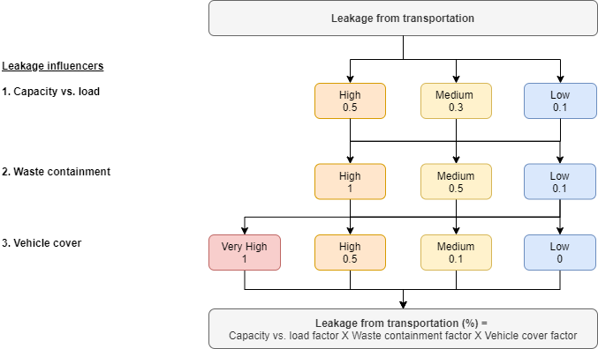

Capacity vs load
Table 13: leakage potential levels for influencer “Capacity vs load”
Leakage Potential | Description | Leakage Factor | go back
High | The load in most of the collection vehicles exceeds the capacity. | 0.5
Medium | Around half of the trucks’ load exceeds the capacity. | 0.3
Low | The load in most of the collection vehicles does not exceed the capacity. | 0.1

Waste containment
Table 14: leakage potential levels for influencer “Waste containment”
...
Coverage of collection vehicle
Very high | Most of the collection vehicles in the city are uncovered vehicles | 1
High | The number of collection vehicles are fairly split between uncovered and fully enclosed. | 0.5
Medium | Most of the collection vehicles in the city are fully enclosed. | 0.1
Low | All of the collection vehicles in the city are fully enclosed (e.g. compactor trucks) | 0

Plastic leakage from disposal facilities |  |  | go back
Leakage of plastic from disposal facilities (F17) refers to plastic that leaks from disposal sites carried either by either the wind (windblown) or by water/landslides. Windblown leakage is one of many operational concerns in the management of a landfill. In spite of the abundance on guidelines on how to manage and avoid this leakage (Lapps, 1985; Martel and Helm, 2004; Fanning, 2012), no quantitative data was found with estimates or measurements of on quantities. You will notice that the two separate plastic leakage types (wind and water/landslides) are separated in the decision tree. In some sites you might find just one, whilst in others, both types of leakage might be present. The combined leakage is the sum of both as shown in the formula at the bottom of the decision tree

Decision tree
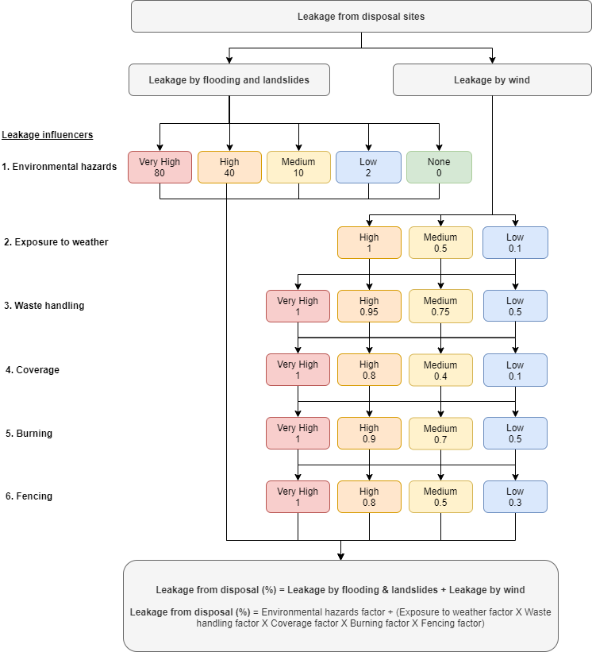

Environmental hazards
Table 16: leakage potential levels for influencer “environmental hazards”
Leakage Potential | Description | Leakage Factor | go back
Very High | Site is located in an area prone to regular flooding or landslides affecting the majority of the site. | 80
High | Site is located in an area prone to occasional flooding or landslides affecting large parts of the site. | 40
Medium | Site is located in an area where regular flooding or landslides affect small parts of the site. | 10
Low | Site is located in an area where regular flooding or landslides affect very few parts of the site. | 2
None | Site is located in an area which does not regularly have environmental hazards such as flooding or landslides | 0
...
Fencing
Leakage Potential | Description | Leakage Factor | go back
Very High | No fencing | 1
High | Fence surrounds less than half of the perimeter or big sections of the fence are broken | 0.8
Medium | Fence surrounds most of the perimeter but is broken in several sections | 0.5
Low | Fence surrounds the entire perimeter and is maintained | 0.3

Plastic in storm drains to water systems |  |  | go back
This section represents the amount of plastic which is transferred through storm drain systems and enters water systems. In most cities, there is little information available on solid waste washed into drainage systems and the methods or quantity / quality of removed solid waste. However, often the solid waste washed into drainage systems is ‘sooner or later’ completely washed out into water systems such as rivers. This especially applies for open and uncontrolled drainage systems. The exception to this is where drain cleaning occurs. Many countries periodically clean storm drains so as to avoid flooding issues associated with the build-up of waste to the point whereby it blocks the flow of water. These cleaning events may be regular, or be targeted to occur before the onset of heavy rain events such as the rainy season. The logic used for the calculation of how much plastic in storm drains reaches waterbodies is based on the following concept. It assumes that any plastic not removed from the drains by cleaning, is eventually transferred to waterbodies. As rainfall dictates when this plastic will become mobile within the drains, the more frequent the rainfall, the less opportunity there is to remove the waste before it gets washed into waterbodies. In contrast, the more frequent and widespread the drain cleaning, the less waste there will be in the drains to be transferred at the next rainfall event.

Decision tree
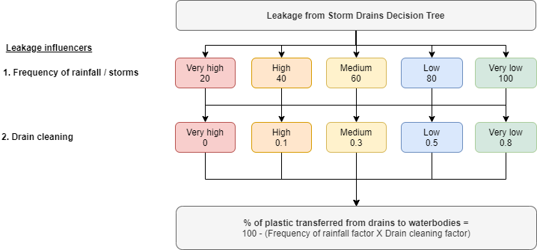

Frequency of rainfall / storm events
Table 22: Leakage potential levels for influencer “frequency of rainfall and storm events”
Leakage Potential | Description | Leakage Factor | go back
Very High | Rainfall and heavy storms are frequent throughout the year with all 12 months having an average precipitation of at least 60 mm. Equivalent of the tropical rainforest climate (Af) in the Köppen climate classification. | 20
High | Rainfall is frequent throughout the year with heavy storms often occurring during the hotter months. There is no predictable dry summer month. Equivalent of the humid subtropical climate (Cfa), oceanic climate (Cfb), subpolar oceanic climates (Cfc) or wet continental climates (Df) in the Köppen climate classification. | 40
Medium | Rainfall is highly seasonal, often impacted by monsoon rains, with a dry season and wet season. Equivalent of the tropical monsoon (Am), dry-winter subtropical (Cw) or dry-winter continental climates (Dw) in the Köppen climate classification. | 60
Low | Rainfall has a pronounced dry season whilst the short wet season has more limited rainfall than above categories. Equivalent of the savannah (Aw), Mediterranean (Cs) or dry-summer continental climates (Ds) in the Köppen climate classification. | 80
Very low | Dry climate characterised by little precipitation. Equivalent of the arid (Bw) and semi-arid (Bs) climates in the Köppen climate classification. | 100

Drain cleaning
...
Diffuse voluntary |  |  | go back
The leakage type “diffuse voluntary” represents the dumping or open burning of waste from uncollected waste. Considering this, observations should be conducted with the immediate vicinity of areas which lack any form of waste collection service (including informal waste collection services). As the leakage type is voluntary (e.g. a person is in control of how they dispose of it) open burning is included as a fate.

Fate decision tree
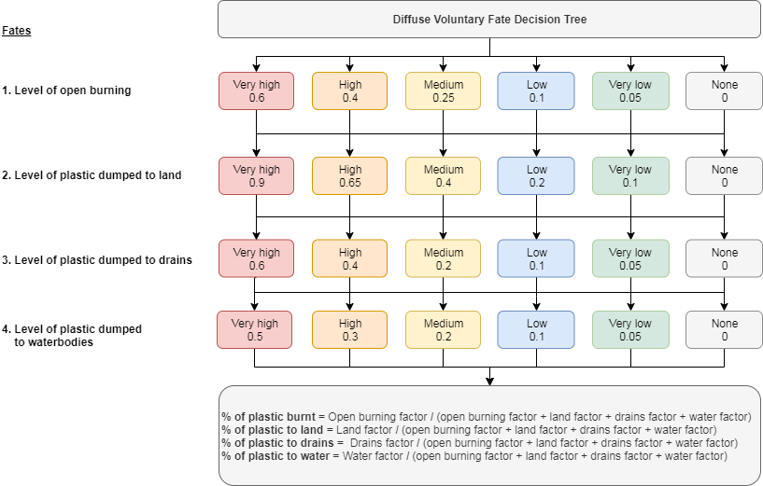

Diffuse Voluntary - Open burning
Table 24: Level of diffuse open burning
Fate Potential | Description | Fate Factor | go back
Very High | In areas without waste collection services, there is evidence that residents routinely burn their waste, with it believed to be the primary means of disposal. | 0.6
High | In areas without waste collection services, there is evidence that residents routinely burn their waste, with it believed to be a major but not primary means of disposal. | 0.4
Medium | In areas without waste collection services, there is evidence that residents may regularly burn their waste, but this is not believed to be the primary means of disposal. | 0.25
Low | In areas without waste collection services, there is sporadic evidence that a minority of the residents may regularly burn waste, but this is not believed to be the primary means of disposal for the majority of residents. | 0.1
Very low | In areas without waste collection services, there is sporadic evidence that a minority residents may have occasionally burnt waste, but this is believed to be a rare occurrence. | 0.05
None | In areas without waste collection services, there is no evidence of open burning occurring. | 0
...
Diffuse voluntary - Water
Medium | In areas without waste collection services, around half of residents are in close proximity (<500 m) to water systems of which they have access. | 0.2
Low | In areas without waste collection services, a minority of residents are in close proximity (<500 m) to water systems of which they have access. | 0.1
Very low | In areas without waste collection services, very few residents are in close proximity (<500 m) to water systems of which they have access. | 0.05
None | In areas without waste collection services, there is no presence of waterbodies or access to such water systems is not possible. | 0

Diffuse involuntary |  |  | go back
The leakage type “diffuse involuntary” represents plastic which is released to the environment from many locations whilst not under someone’s control. For example, this includes plastic which leaks from collection services (i.e. whilst it is waiting to be collected or during the collection), plastic which leaks due to the informal value-chain collection activities, or plastic which leaks whilst being transported to designated disposal sites. The widespread (diffuse) nature of the leakages means observation assessments should be done in multiple locations throughout the district, although a degree of focus can be applied to target key areas. For example, if assessing the collection systems, observations should be conducted in the vicinity of the areas with collection services. Alternatively, if assessing leakage from transportation to disposal facilities, observations can be targeted along the relevant transportation routes.

Decision tree
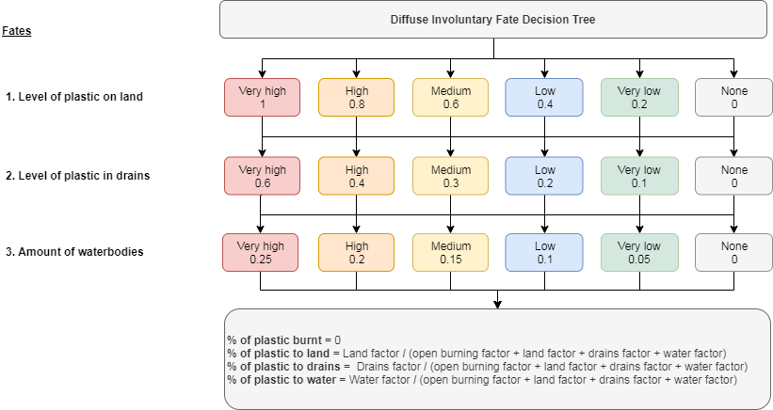

Diffuse involuntary - Land
Table 28: Level of diffuse leakage to land
Fate Potential | Description | Fate Factor | go back
Very High | Throughout all the study area, there is evidence of large quantities of plastic remaining on land (including that caught in vegetation). | 1
 | OR
 | In the majority of the study area, there is evidence of large quantities of plastic remaining on land (including that caught in vegetation) AND regular street sweeping occurs in the majority areas.
High | In the majority of the study area, there is evidence of large quantities of plastic remaining on land (including that caught in vegetation). | 0.8
 | OR
 | In the majority of the study area, there is evidence of small quantities of plastic remaining on land (including that caught in vegetation) AND regular street sweeping occurs in a minority of areas.
...
Point source involuntary |  |  | go back
The leakage type “point source involuntary” represents plastic which is released to the environment from a number of fixed point sources whilst not under someone’s control. Point sources for this leakage type include disposal facilities. As with the point source voluntary leakage type, observations should be conducted in the vicinity of the point sources. If multiple point sources exist, then observations should be conducted outside as many as possible, with descriptions chosen which best match the average situation.

Decision tree

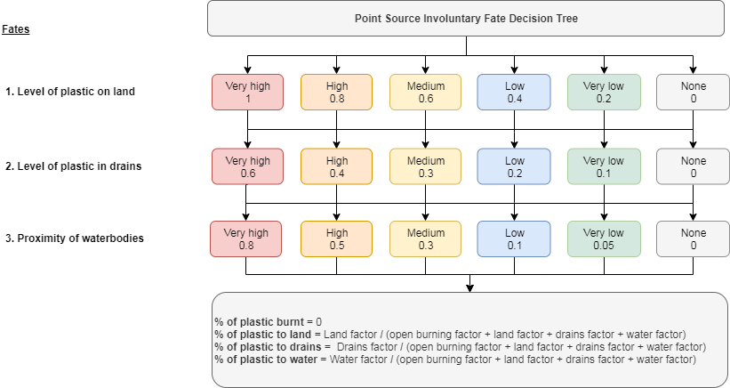

Point source involuntary - Land
Table 35: Level of point source leakage to land
Fate Potential | Description | Fate Factor | go back
Very High | In the vicinity of the point sources, there is evidence of large quantities of plastic remaining on land (including that caught in vegetation). | 1
 | OR
 | In the vicinity of the point sources, there is evidence of large quantities of plastic remaining on land (including that caught in vegetation) AND regular street sweeping occurs.
High | In the vicinity of the point sources, there is evidence of large quantities of plastic remaining on land (including that caught in vegetation). | 0.8
 | OR
 | In the vicinity of the point sources, there is evidence of small quantities of plastic remaining on land (including that caught in vegetation) AND occasional street sweeping occurs.
Medium | In the vicinity of the point sources, there is evidence of small quantities of plastic remaining on land (including that caught in vegetation) although some areas show evidence of large quantities. | 0.6
...
Point source involuntary - Water
Medium | The majority of the point sources are in close proximity (<1 km) to water systems. Vegetation on the banks of the water systems is dense. | 0.3
Low | The majority of the point sources are not in close proximity (>1 km) to water systems. Vegetation on the banks of the water systems is sparse. | 0.1
Very low | The majority of the point sources are not in close proximity (>1 km) to water systems. Vegetation on the banks of the water systems is dense. | 0.05
None | All of the point sources are not in close proximity (>1 km) to water systems. Vegetation on the banks of the water systems is very dense. | 0

MSW management facilities |  |  | go back
Table 38: | Classification of recovery and disposal facilities
This picture below shows the system boundary regarding MSW management facilities. The WFD maps flows only until red-dotted line. Thereafter, the destination of the flows of waste is no longer specified. It is assumed that leakage occurs before. Hence facilities are physically located outside the case study areas. Amounts intended for biological or mechanical recycling or recovery, are represented by flows F8 (formal) and F9 (informal). Waste intended for energy recovery is represented by flow F10.
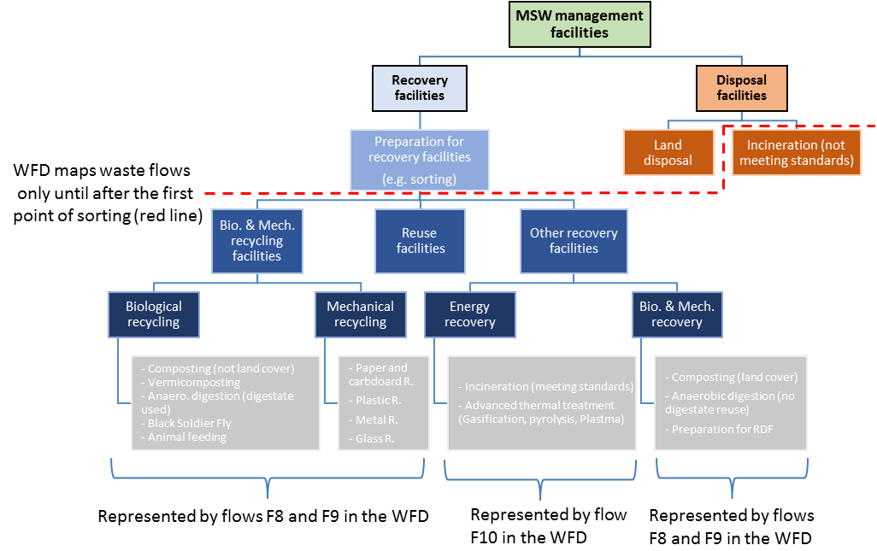

Level of control in MSW management facilities
Figure below: Ladders used to classify MSW management facilities according to their level of control (based on UN-H guide).
MSW management facilities refer to collection points that receive municipal solid waste previously collected. These facilities fall into two groups (based on SDG 11.6.1 methodology (UN-Habitat, 2020): recovery facilities (including facilities that prepare for recovery) and disposal facilities. MSW Managed in Controlled Facilities refers to municipal solid waste received by facilities with Level 3 control or above according to the ladder shown in figure below. These facilities include preparation and recovery facilities (for energy and materials) and disposal facilities. The ladder can be used as a checklist for assessing the level of control of a particular recovery or disposal facility. Note that the emphasis is on operational controls rather than engineering/design control. A facility that is engineered and constructed to a high standard, but not operated in compliance with Level 3 (or above) standard is not regarded as a controlled facility.
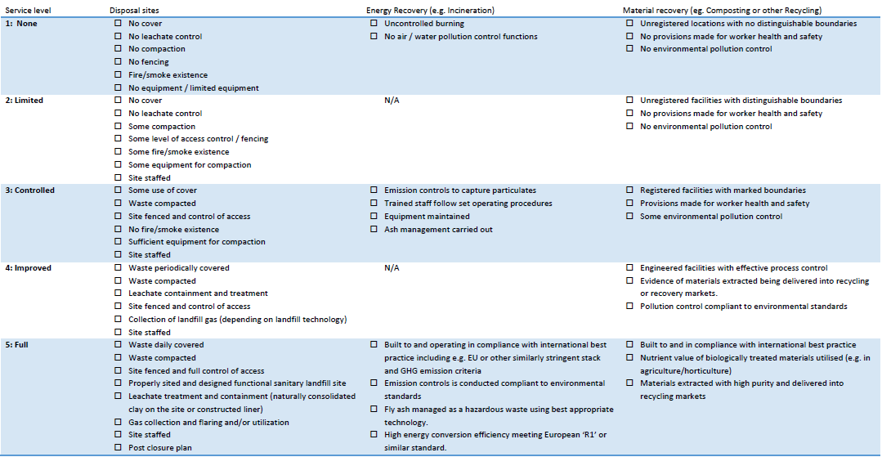

 |  |  | go back

